Sheet1
2025 Revenue $973,619.69
Municipal Tax $592,915.20 | 592,915.20
Business Tax $51,501.00 | 51,501.00
Utility Tax $31,471.24 | 31,471.24
Water & Sewer $124,675.70 | 124,675.70
Goods & Services $5.500.00 | 5,500.00
Other Revenue $12,500.00 | 12,500.00
Gov't Transfers $79,494.55 | 79,494.55
Other Transfers $75,562.00 | 75,562.00
2025 Expenditure $973,619.69
General Admin $259,426.95 | 259,426.95
General Maint $153,500.00 | 153,500.00
Protective Services $51,000.00 | 51,000.00
Transportation Services $81,500.00 | 81,500.00
Environmental Health $114,000.00 | 114,000.00
Planning & Development $10,000.00 | 10,000.00
Recreation Services $79,726.65 | 79,726.65
Municipal Debt $109,597.14 | 109,597.14
Fiscal Services $114,868.95 | 114,868.95
 | THE TOWN OF STEADY BROOK
 | 2025 BUDGET HIGHLIGHTS

Based on the adopted budget, a tax increase was not required for 2025
 |  | 2025 BUDGET
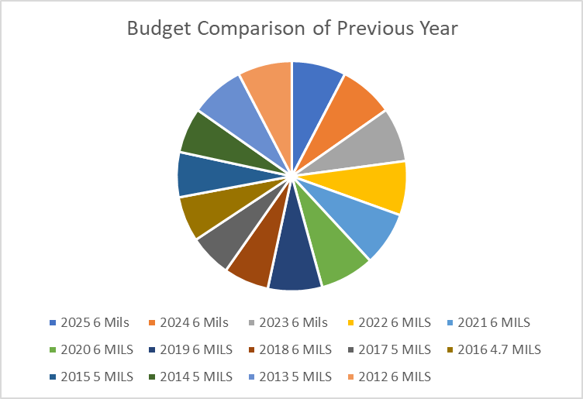

PRIORITIES FOR THE
2025 BUDGET:
Deliver core, essential services in the
most efficient manner possible.
Continuing to find a better quality
source of water.
In process updating the Sewer Lagoon
and paving a section of Marble Drive.

In creating the 2025 Budget the Town Council and Satff worked together to develop a plan that reflects the needs of the Residents & Business owners.
For more details on the Town of Steady Brook's 2025 Budget, please visit the Towns website: www.steadybrook.com

Sheet2
Municipal Tax $592,915.20 | 592,915.20
Business Tax $51,501.00 | 51,501.00
Utility Tax $31,471.24 | 31,471.24
2025 Revenue $973,619.69
2025 Expenditure $973,619.69
Water & Sewer $124,675.70 | 124,675.70
Goods & Services $5.500.00 | 5,500.00
Other Revenue $12,500.00 | 12,500.00
Gov't Transfers $79,494.55 | 79,494.55
Other Transfers $75,562.00 | 75,562.00
General Admin $259,426.95 | 259,426.95
General Maint $153,500.00 | 153,500.00
Protective Services $51,000.00 | 51,000.00
Transportation Services $81,500.00 | 81,500.00
Environmental Health $114,000.00 | 114,000.00
Planning & Development $10,000.00 | 10,000.00
Recreation Services $79,726.65 | 79,726.65
Municipal Debt $109,597.14 | 109,597.14
Fiscal Services $114,868.95 | 114,868.95
Budget Comparison of Previous Year
2025 6 Mils | 6.00
2024 6 Mils | 6.00
2023 6 Mils | 6.00
2022 6 MILS | 6.00
2021 6 MILS | 6.00
2020 6 MILS | 6.00
2019 6 MILS | 6.00
2018 6 MILS | 6.00
2017 5 MILS | 5.00
2016 4.7 MILS | 4.70
2015 5 MILS | 5.00
2014 5 MILS | 5.00
2013 5 MILS | 5.00
2012 6 MILS | 6.00
2011 6 MILS | 6.00

Sheet3
General Admin $222,006.95 |  | 222,006.95
General Maint $153,500.00 |  | 153,500.00
Protective Services $51,000.00 |  | 51,000.00
Transportation Services $81,500.00 |  | 81,500.00
Environmental Health $114,000.00 |  | 114,000.00
Planning & Development $10,000.00 |  | 10,000.00
Recreation Services $35,700.00 |  | 79,726.65
Municipal Debt $109,597.14 |  | 109,597.14
Fiscal Services $114,868.95 |  | 114,868.95

General Admin $222,006.95 | 222,006.95
General Maint $153,500.00 | 153,500.00
Protective Services $51,000.00 | 51,000.00
Transportation Services $81,500.00 | 81,500.00
Environmental Health $114,000.00 | 114,000.00
Planning & Development $10,000.00 | 10,000.00
Recreation Services $35,700.00 | 79,726.65
Municipal Debt $109,597.14 | 109,597.14
Fiscal Services $114,868.95 | 114,868.95

