Sheet1
2026 Revenue $973,128.06
Municipal Tax $662,706.84 | 662,706.84
Business Tax $56,145.98 | 56,145.98
Utility Tax $31,471.24 | 31,471.24
Water & Sewer $124,700.00 | 124,700.00
Goods & Services $5.500.00 | 5,500.00
Other Revenue $12,500.00 | 12,500.00
Gov't Transfers $80,104.00 | 80,104.00
2026 Expenditure $973,128.06
General Admin $263,120.00 | 263,120.00
General Maint $181,788.14 | 181,788.14
Protective Services $50,000.00 | 50,000.00
Transportation Services $71,500.00 | 71,500.00
Environmental Health $111,869.00 | 111,869.00
Planning & Development $10,000.00 | 10,000.00
Recreation Services $60,400.00 | 60,400.00
Municipal Debt $184,534.92 | 184,534.92
Fiscal Services $39,916.00 | 39,916.00
 | THE TOWN OF STEADY BROOK
 | 2026 BUDGET HIGHLIGHTS

Based on the adopted budget, a tax increase was required for 2026.
 |  | 2026 BUDGET
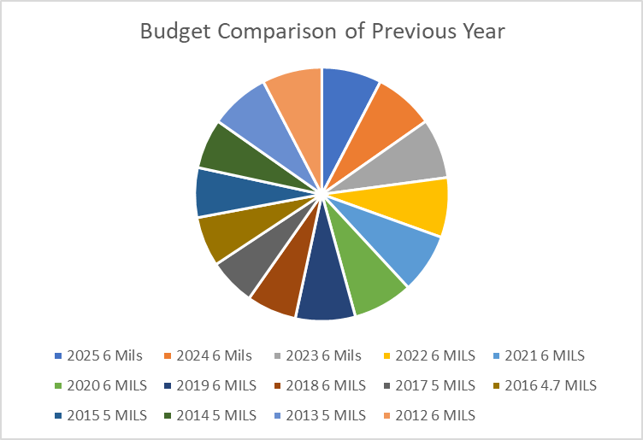

PRIORITIES FOR THE
2026 BUDGET:
The Town Council continues to work on maintaining and improving the town’s water supply to ensure reliable service for the community. The Council is also actively managing ongoing infrastructure projects, including the Sewer Lagoon.

In creating the 2026 Budget the Town Council and Satff worked together to develop a plan that reflects the needs of the Residents & Business owners.
For more details on the Town of Steady Brook's 2026 Budget, please visit the Towns website: www.steadybrook.com

Sheet2
Municipal Tax $662,706.84 | 662,706.84
Business Tax $56,145.98 | 56,145.98
Utility Tax $31,471.24 | 31,471.24
2026 Revenue $973,128.06
Municipal Tax $662,706.84 | 662,706.84
Business Tax $56,145.98 | 56,145.98
Utility Tax $31,471.24 | 31,471.24
Water & Sewer $124,700.00 | 124,700.00
Goods & Services $5.500.00 | 5,500.00
Other Revenue $12,500.00 | 12,500.00
Gov't Transfers $80,104.00 | 80,104.00
2026 Expenditure $973,128.06
Water & Sewer $124,700.00 | 124,700.00
Goods & Services $5.500.00 | 5,500.00
Other Revenue $12,500.00 | 12,500.00
Gov't Transfers $80,104.00 | 80,104.00

General Admin $263,120.00 | 263,120.00
General Maint $181,788.14 | 181,788.14
Protective Services $50,000.00 | 50,000.00
Transportation Services $71,500.00 | 71,500.00
Environmental Health $111,869.00 | 111,869.00
Planning & Development $10,000.00 | 10,000.00
Recreation Services $60,400.00 | 60,400.00
Municipal Debt $184,534.92 | 184,534.92
Fiscal Services $39,916.00 | 39,916.00
Budget Comparison of Previous Year
2026 6.5 Mils | 6.50
2025 6 Mils | 6.00
2024 6 Mils | 6.00
2023 6 Mils | 6.00
2022 6 MILS | 6.00
2021 6 MILS | 6.00
2020 6 MILS | 6.00
2019 6 MILS | 6.00
2018 6 MILS | 6.00
2017 5 MILS | 5.00
2016 4.7 MILS | 4.70
2015 5 MILS | 5.00
2014 5 MILS | 5.00
2013 5 MILS | 5.00
2012 6 MILS | 6.00
2011 6 MILS | 6.00

Sheet3
General Admin $220,700.00 |  | 220,700.00
General Maint $161,288.14 |  | 181,788.14
Protective Services $50,000.00 |  | 50,000.00
Transportation Services $71,500.00 |  | 71,500.00
Environmental Health $111,869.00 |  | 111,869.00
Planning & Development $10,000.00 |  | 10,000.00
Recreation Services $60,400.00 |  | 60,400.00
Municipal Debt $182,534.92 |  | 184,534.92
Fiscal Services $224,450.92 |  | 224,450.92

General Admin $220,700.00 | 220,700.00
General Maint $161,288.14 | 181,788.14
Protective Services $50,000.00 | 50,000.00
Transportation Services $71,500.00 | 71,500.00
Environmental Health $111,869.00 | 111,869.00
Planning & Development $10,000.00 | 10,000.00
Recreation Services $60,400.00 | 60,400.00
Municipal Debt $182,534.92 | 184,534.92
Fiscal Services $224,450.92 | 224,450.92

